Data
Location | Distance from source (km) | Altitude (m) | km | Altitude change (m) | Gradient (m/km)
Stourhead | 0 | 225 | 0 | 0 | 0
Stourton | 5 | 155 | 5 | 70 | 14 m/km
Gillingham | 12 | 65
Sturminster Newton | 31 | 50
Blandford valley | 48 | 37
Tarrant Valley | 55 | 28
Sturminster Marshall | 63 | 25
Wimborne | 70 | 15
Moors River | 82 | 10
Christchurch | 95 | 0

 |  |  |  |  |  | Flow (discharge) of the River Stour in cubic metres per second (figures from 1973 to 2005
 |  |  |  |  |  |  | J | F | M | A | M | J | J | A | S | O | N | D
 |  |  |  |  |  | Mean | 27.8 | 25.7 | 19.4 | 15.0 | 9.2 | 6.2 | 4.3 | 3.9 | 4.6 | 9.3 | 16.4 | 24.5
 |  |  |  |  |  | Max | 132.6 | 121.5 | 91.3 | 95.7 | 103.3 | 146.8 | 39.3 | 30.0 | 76.0 | 161.6 | 169.5 | 160.0
 |  |  |  |  |  | Min | 3.7 | 3.7 | 4.1 | 3.6 | 2.6 | 1.7 | 1.4 | 1.1 | 1.4 | 1.8 | 2.1 | 2.8

Instructions
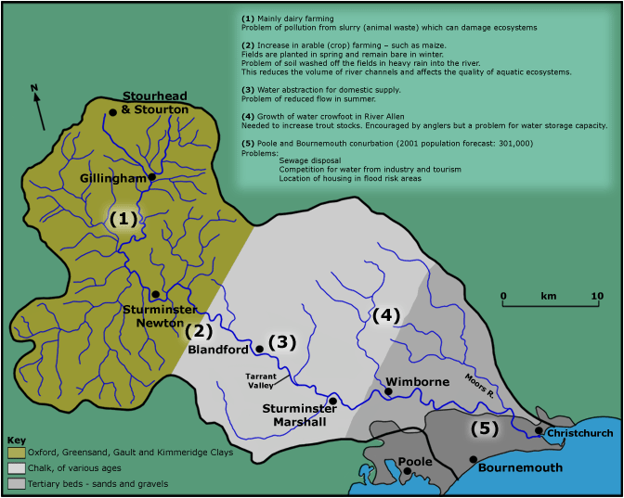
The River Stour - characteristics of a small river.
1) Plot a chart to show the long profile (Smooth Marked Scatter) of Distance from source (km) and Altitude (m) on the River Stour. TITLE & LABELS
2) Add the place names to each of the markers - do this by control-clicking a point marker, and then "Add Data Labels." Edit these to add place names.
3) Calculate the differences in height, and distances, between each location, in the spaces provided.

Now, open a Word document and call it "The River Stour."

4) Describe what your chart shows. Now that you have information on distances and gradients you can identify the stages of the river.

5) Using the map, right, describe and explain the pattern of rivers on the different geologies. You can use the internet to search for terms you do not know or understand.

6) Using the flow data of the Stour, draw a chart to show how much this varies. LABELS AND TITLES

